AlarmReport
Go To List | Message Spec

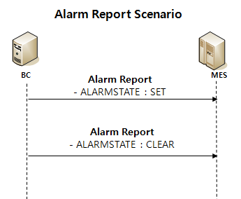
Message
AlarmReport | Complete | <MESSAGE> <HEADER> <MESSAGENAME>AlarmReport</MESSAGENAME> <TRANSACTIONID>201611101145096</TRANSACTIONID> <REPLYSUBJECTNAME /> <INBOXNAME /> <LISTENER>PEMListener</LISTENER> </HEADER> <BODY> <LINENAME>TCELA100</LINENAME> <MACHINENAME>TCELA10B</MACHINENAME> <UNITNAME>TCELA10R</UNITNAME> <ALARMCODE>JJH_180418</ALARMCODE> <ALARMLEVEL>W</ALARMLEVEL> <ALARMSTATE>SET</ALARMSTATE> <ALARMTEXT>JJH_ALARM_REPORT_TEST</ALARMTEXT> <ITEMSTAMP></ITEMSTAMP> <LANGUAGE>English</LANGUAGE> <TRANSACTIONSTARTTIME>2016-10-10 10:01:46.115</TRANSACTIONSTARTTIME> </BODY> <RETURN> <RETURNCODE>0</RETURNCODE> <RETURNMESSAGE /> </RETURN> </MESSAGE> |  | Alarm
 |  |  |  | Name | By | When | API | ALARMID | ALARMTIMEKEY | ALARMTYPE | ALARMLEVEL | DESCRIPTION | USERMESSAGE | LASTEVENTNAME | LASTEVENTTIMEKEY | LASTEVENTTIME | LASTEVENTUSER | LASTEVENTCOMMENT | LASTEVENTFLAG | ALARMSTATE | LOTNAME | MACHINENAME | REASONCODETYPE | REASONCODE | AREANAME | REASONCATEGORY | REASONTYPE | DETAILREASON | REFORM | ALID | PRODUCTNAME | SPCCONTROLSPECNAME | SPCITEMNAME | SPCCHARTNAME | SPCCONTROLRULENAME | LOTHOLD | MACHINEHOLD | FACTORYNAME
 |  |  |  | AlarmReport |  |  |  | TCELA10R_JJH_180418 | 20180418190341335000 | MachineAlarm | Light |  | JJH_ALARM_REPORT_TEST | AlarmReport | 20180418190341336000 | 04/18/2018 | TCELA100:PEXsvr1 |  | N | SET |  | TCELA100

BPEL | AlarmReport
Seq |  | Validation | Return Value
1 | checkMachineName() | unitName - message.MachineName subUnitName - message.UnitName TMPOLICY, POSAVAILABLEALARMDEF 테이블에서 데이터 조회 (AlarmCode = message.AlarmCode or AlarmCode = 'ALL') | isResult = true (데이터 O) or inResult = False (데이터 X)
2 Switch | case | ★ isResult != true - TERMINATE ★ isResult = true - Pass
3 | validateAlarmState() | 설비에서 보고한 Alarm State가 MES에서 허용하는 값이 아닌 경우 업데이트를 하지 않기 위해 비교 - SET, CLEAR | isValidAlarmState = true (허용값 O) or isValidAlarmState = false (허용값 X)
4 Switch | case | ★ isValidAlarmState = false - Throw ★ isValidAlarmState = ture - Pass
5 | validateAlarmLevel() | 설비에서 보고한 Alarm Level이 MES에서 허용하는 값이 아닌 경우 업데이트를 하지 않기 위해 비교 - W, A | isValidAlarmLevel = true (허용값 O) or isValidAlarmLevel = false (허용값 X)
6 Switch | case | ★ isValidAlarmLevel = false - Throw ★ isValidAlarmLevel = true - Pass
 | changeAlarmLevel() | 설비에서 보고한 AlarmLevel과 MES에서 사용하는 AlarmLevel의 값이 다른 형식이므로 변환 (ConstantMap에서 매칭되는 데이터 Return) - alarmLevel = W 일 경우 Return getConstantMapExtends().Alarm_Light (->Light) - alarmLevel = A 일 경우 Return getConstantMapExtends().Alarm_Light (->Serious) - else Return Null | alarmLevel (Light, Serious, Null)
 | getRegisterAlarmId() | ubUnitName -> UnitName -> MachineName 순으로 우선순위를 판단하여 AlarmID를 구성 | registerAlarmId
 | getAlarmTimeKey() | TimeKey를 생성 | alarmTimeKey
7 Switch | case 7.1 | Message.alarmState = constantMap.Alarm_Set 일 경우 setAlarm(), Alarm Data Update
 | case 7.2 | Message.alarmState = constantMap.Alarm_Clear 일 경우 setClear(), Alarm Data Update
8 | getMachineAlarmCountByMachine() | Alarm 테이블에서 해당 MachineName과 ALARMTYPE='MachineAlarm'으로 데이터 rowCount 조회 | alarmCount
9 Switch | case | Message.alarmState = constantMap.Alarm_Set 이고 alarmCount = 1이거나 (알람 존재) Message.alarmState = constantMap.Alarm_Clear 이고 alarmCount = 0일 경우 (알람 존재 x)
 | createAlarmReport() | CFMsvr에 send할 AlarmReport 생성 | xml.CFMMessage
 | sendBySender() | CFMsvr에 Messge Send

Issue
Seq |  | Validation
1 |  | POSAVAILABLEALARMDEF - 데이터 없음(추가함)
2
3

MachineControlStateChanged
Go To List | Message Spec

Message |  |  |  | Machine
MachineControlStateChanged | Complete | <MESSAGE> <HEADER> <MESSAGENAME>MachineControlStateChanged</MESSAGENAME> <TRANSACTIONID>201611101145096</TRANSACTIONID> <REPLYSUBJECTNAME /> <INBOXNAME /> <LISTENER>PEMListener</LISTENER> </HEADER> <BODY> <LINENAME>TCELA100</LINENAME> <CONTROLSTATENAME>OFFLINE</CONTROLSTATENAME> <ITEMSTAMP /> <LANGUAGE>English</LANGUAGE> <TRANSACTIONSTARTTIME>2018-04-19 16:38:34.296</TRANSACTIONSTARTTIME> </BODY> <RETURN> <RETURNCODE>0</RETURNCODE> <RETURNMESSAGE /> </RETURN> </MESSAGE> |  | Name | By | When | API | MACHINENAME | FACTORYNAME | AREANAME | SUPERMACHINENAME | MACHINEGROUPNAME | PROCESSCOUNT | RESOURCESTATE | E10STATE | COMMUNICATIONSTATE | MACHINESTATENAME | MACHINEEVENTNAME | LASTEVENTNAME | LASTEVENTTIMEKEY | LASTEVENTTIME | LASTEVENTUSER | LASTEVENTCOMMENT | LASTEVENTFLAG | REASONCODETYPE | REASONCODE | MACHINEHOLDSTATE | SAMPLECOUNT | TOTALCAPACITY | USEDSHELFCOUNT | EMPTYSHELFCOUNT | LIFTMODE | LINEOPERMODE | BLOCKEDEMPTYSHELFCOUNT | MACHINERECIPENAME | CSTOPERMODE | QTAPTYPE | QTAPFLAG | INDEXEROPERMODE | CHANGER | LATESTOWNERID | OPITRANSFERPIORITY | DSPTRANSFERPIORITY | ZONEALARMSTATE | NEEDALARM | SRCOPITRANSFERPIORITY | SRCDSPTRANSFERPIORITY | INSPECTIONMODE | QHVAFLAG | ALARMCODE | ALARMTEXT | ALARMTIMESTAMP | LINKEDMACHINENAME | SHORTCUTFLAG | MAXQUANTITY | MIXEDCHAMBERFLAG | CONTROLSITE | MACHINEENABLE | SHAREDFLAG | SHAREDFACTORYNAME | REASONCODEGROUP | SAMPLINGSTARTFLAG | BCPRODUCTGROUPNAME | SETTINGFLAG | OPERATOR | LINKPROCESSRESULT | SAMPLERATIO | OVERRESULT | FACILITYCHECKRESULT | FACILITYCHECKCOMMENT | LOGINUSERID | LASTCHANGESTATETIME | LASTIDLETIME | IP
Reply | Complete | <MESSAGE> <HEADER> <MESSAGENAME>MachineChangeCommunicationState</MESSAGENAME> <TRANSACTIONID>20180419163835000014</TRANSACTIONID> <REPLYSUBJECTNAME /> </HEADER> <BODY> <MACHINENAME>TCELA100</MACHINENAME> <COMMUNICATIONSTATE>OffLine</COMMUNICATIONSTATE> <EVENTUSER>TCELA100</EVENTUSER> <EVENTCOMMENT /> </BODY> <RETURN> <RETURNCODE>0</RETURNCODE> <RETURNMESSAGE /> </RETURN> </MESSAGE> |  |  |  |  |  | TCELA100 | ARRAY | TCSTK100 |  | ELAGROUP | 0 | InService | StandBy | OnLineRemote | IDLE | ED_D-IDLE | MachineChangeState | 20160922142403574000 | 09/22/2016 | 27835:CNXsvrEDU | 1 | N |  |  | NotOnHold |  |  |  |  |  |  |  |  | CTOC |  |  |  |  |  |  |  |  |  |  |  |  | N |  |  |  |  |  | 0 |  | T3 |  |  |  |  |  |  |  |  |  |  |  |  |  | 1 | 09/22/2016 | 07/15/2016
 |  |  |  | MachineControlStateChanged |  |  | getMachineService().makeCommunicationState | TCELA100 | ARRAY | TCSTK100 |  | ELAGROUP | 0 | InService | StandBy | OffLine | IDLE | ED_D-IDLE | MachineChangeCommunicationState | 20180419163834458000 | 04/19/2018 | TCELA100:PEXsvr1 |  | N |  |  | NotOnHold |  |  |  |  |  |  |  |  | CTOC |  |  |  |  |  |  |  |  |  |  |  |  | N |  |  |  |  |  | 0 |  | T3 |  |  |  |  |  |  |  |  |  |  |  |  |  | 1 | 09/22/2016 | 07/15/2016
Control State Scenario(BC->MES)

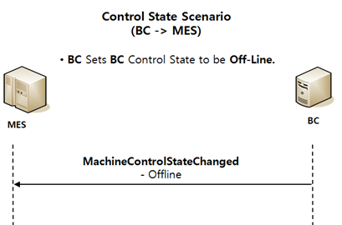

BPEL | MachineControlStateChanged
Seq |  | Validation | Return Value
1 | validateMachineControlState() | 설비에서 보고한 Machine Control State가 MES에서 허용하는 값이 아닌 경우 업데이트를 하지 않기 위해 비교 - REMOTE, OFFLINE, LOCAL | isValidAlarmState = true (허용값 O) or isValidAlarmState = false (허용값 X)
2 Switch | case | isValidateMachineControl = false - Throw
 | otherwise | getMachineData() 한 후 changeMachineControlState()
 | changeMachineControlState() | 한번 더 validateMachineControlState 확인 후 허용값일 경우 (ConstantMap에서 매칭되는 데이터 Return) - machineControlStateName = REMOTE 일 경우 Return getConstantMapExtends().Mac_OnLineRemote(->OnLineRemote) - machineControlStateName = LOCAL 일 경우 Return getConstantMapExtends().Mac_OnLineLocal(->OnLineLocal) - machineControlStateName = OFFLINE 일 경우 Return getConstantMapExtends().Mac_OffLine(->OffLine) - else Return Null | resultControlState (OnLineRemote, OnLineLocal, OffLine, Null)
3 Switch | case | currentMachineData.communicationState != resultControlState일 경우(현재 ControlState가 다른 경우)
4 | makeCommunicationState() | communicationState Change
5 | createMachineChangeCommunicationState() | CFMsvr에 send할 AlarmReport 생성 | xml.CFMMessage
6 | sendBySender() | CFMsvr에 Messge Send

Issue
Seq |  | Validation
1
2
3

MachineControlStateChangeReques
Go To List | Message Spec

Message
MachineControlStateChangeRequest | Complete | <MESSAGE> <HEADER> <MESSAGENAME>MachineControlStateChangeRequest</MESSAGENAME> <TRANSACTIONID>201611101145096</TRANSACTIONID> <REPLYSUBJECTNAME>JJH</REPLYSUBJECTNAME> <INBOXNAME /> <LISTENER>PEMListener</LISTENER> </HEADER> <BODY> <LINENAME>TCELA100</LINENAME> <CONTROLSTATENAME>OFFLINE</CONTROLSTATENAME> <LANGUAGE>English</LANGUAGE> <TRANSACTIONSTARTTIME>2018-04-23 09:52:19.819</TRANSACTIONSTARTTIME> </BODY> <RETURN> <RETURNCODE>0</RETURNCODE> <RETURNMESSAGE /> </RETURN> </MESSAGE>

Control State Scenario(MES->BC)
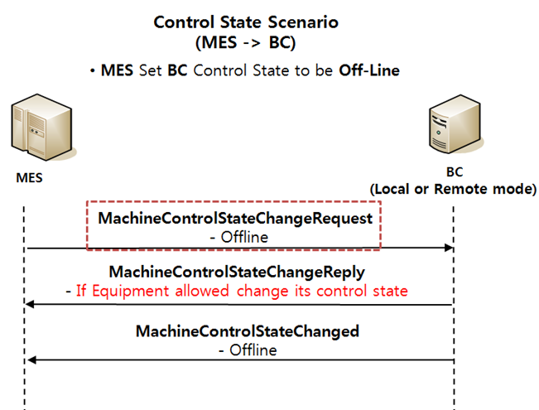

BPEL | MachineControlStateChangeRequest
Seq |  | Validation
1
2
3

Issue
Seq |  | Validation
1 |  | Exception??
2
3

MachineControlStateChangeReply
Go To List | Message Spec

Message |  |  |  | Machine
MachineControlStateChangeReply | Complete | <MESSAGE> <HEADER> <MESSAGENAME>MachineControlStateChangeReply</MESSAGENAME> <TRANSACTIONID>201611101145096</TRANSACTIONID> <REPLYSUBJECTNAME /> <INBOXNAME /> <LISTENER>PEMListener</LISTENER> </HEADER> <BODY> <LINENAME>TCELA100</LINENAME> <CONTROLSTATENAME>REMOTE</CONTROLSTATENAME> <ACKNOWLEDGE>A</ACKNOWLEDGE> <LANGUAGE>English</LANGUAGE> <TRANSACTIONSTARTTIME>2018-04-20 10:52:19.603</TRANSACTIONSTARTTIME> </BODY> <RETURN> <RETURNCODE>0</RETURNCODE> <RETURNMESSAGE /> </RETURN> </MESSAGE> |  | Name | By | When | API | MACHINENAME | FACTORYNAME | AREANAME | SUPERMACHINENAME | MACHINEGROUPNAME | PROCESSCOUNT | RESOURCESTATE | E10STATE | COMMUNICATIONSTATE | MACHINESTATENAME | MACHINEEVENTNAME | LASTEVENTNAME | LASTEVENTTIMEKEY | LASTEVENTTIME | LASTEVENTUSER | LASTEVENTCOMMENT | LASTEVENTFLAG | REASONCODETYPE | REASONCODE | MACHINEHOLDSTATE | SAMPLECOUNT | TOTALCAPACITY | USEDSHELFCOUNT | EMPTYSHELFCOUNT | LIFTMODE | LINEOPERMODE | BLOCKEDEMPTYSHELFCOUNT | MACHINERECIPENAME | CSTOPERMODE | QTAPTYPE | QTAPFLAG | INDEXEROPERMODE | CHANGER | LATESTOWNERID | OPITRANSFERPIORITY | DSPTRANSFERPIORITY | ZONEALARMSTATE | NEEDALARM | SRCOPITRANSFERPIORITY | SRCDSPTRANSFERPIORITY | INSPECTIONMODE | QHVAFLAG | ALARMCODE | ALARMTEXT | ALARMTIMESTAMP | LINKEDMACHINENAME | SHORTCUTFLAG | MAXQUANTITY | MIXEDCHAMBERFLAG | CONTROLSITE | MACHINEENABLE | SHAREDFLAG | SHAREDFACTORYNAME | REASONCODEGROUP | SAMPLINGSTARTFLAG | BCPRODUCTGROUPNAME | SETTINGFLAG | OPERATOR | LINKPROCESSRESULT | SAMPLERATIO | OVERRESULT | FACILITYCHECKRESULT | FACILITYCHECKCOMMENT | LOGINUSERID | LASTCHANGESTATETIME | LASTIDLETIME | IP
Reply | Complete | <MESSAGE> <HEADER> <MESSAGENAME>MachineChangeCommunicationState</MESSAGENAME> <TRANSACTIONID>20180420110430000754</TRANSACTIONID> <REPLYSUBJECTNAME /> </HEADER> <BODY> <MACHINENAME>TCELA100</MACHINENAME> <COMMUNICATIONSTATE>OnLineRemote</COMMUNICATIONSTATE> <EVENTUSER>TCELA100</EVENTUSER> <EVENTCOMMENT /> </BODY> <RETURN> <RETURNCODE>0</RETURNCODE> <RETURNMESSAGE /> </RETURN> </MESSAGE> |  | . |  |  |  | TCELA100 | ARRAY | TCSTK100 |  | ELAGROUP | 0 | InService | StandBy | OffLine | IDLE | ED_D-IDLE | MachineChangeCommunicationState | 20180419163834458000 | 04/19/2018 | TCELA100:PEXsvr1 |  | N |  |  | NotOnHold |  |  |  |  |  |  |  |  | CTOC |  |  |  |  |  |  |  |  |  |  |  |  | N |  |  |  |  |  | 0 |  | T3 |  |  |  |  |  |  |  |  |  |  |  |  |  | 1 | 09/22/2016 | 07/15/2016
 |  |  |  | MachineControlStateChangeReply |  | ACKNOWLEDGE='A' | getMachineService().makeCommunicationState | TCELA100 | ARRAY | TCSTK100 |  | ELAGROUP | 0 | InService | StandBy | OnLineRemote | IDLE | ED_D-IDLE | MachineChangeCommunicationState | 20180420110429911000 | 04/20/2018 | TCELA100:PEXsvr1 |  | N |  |  | NotOnHold |  |  |  |  |  |  |  |  | CTOC |  |  |  |  |  |  |  |  |  |  |  |  | N |  |  |  |  |  | 0 |  | T3 |  |  |  |  |  |  |  |  |  |  |  |  |  | 1 | 09/22/2016 | 07/15/2016
Control State Scenario(MES->BC)
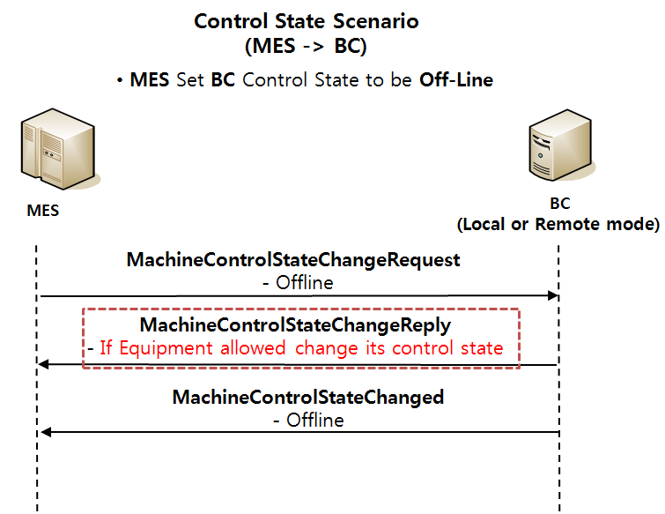

BPEL | MachineControlStateChangeReply
Seq |  | Validation | Return Value
1 | getConstantDefsMap()
2 Switch | case | Message.acKnowLedge = constantMap.Ack_Already 인 경우(ACKNOWLEDGE = 'A')
 | validateMachineControlState() | 설비에서 보고한 Machine Control State가 MES에서 허용하는 값이 아닌 경우 업데이트를 하지 않기 위해 비교 - REMOTE, OFFLINE, LOCAL | isValidAlarmState = true (허용값 O) or isValidAlarmState = false (허용값 X)
3 Switch | case | isValidateMachineControl = true 인 경우 getMachineData() -> changeMachineControlState()
 | changeMachineControlState() | 한번 더 validateMachineControlState 확인 후 허용값일 경우 (ConstantMap에서 매칭되는 데이터 Return) - machineControlStateName = REMOTE 일 경우 Return getConstantMapExtends().Mac_OnLineRemote (->OnLineRemote) - machineControlStateName = LOCAL 일 경우 Return getConstantMapExtends().Mac_OnLineLocal (->OnLineLocal) - machineControlStateName = OFFLINE 일 경우 Return getConstantMapExtends().Mac_OffLine (->OffLine) - else Return Null | resultControlStateName
4 Switch | case | DB상의 데이터와 Messge.ControlStateName 비교 currentMachineData.communicationState != resultControlStateName 경우
 | makeCommunicationState() | communicationState Change
 | createMachineChangeCommunicationState() | CFMsvr에 send할 AlarmReport 생성
 | sendBySender() | CFMsvr에 Messge Send

Issue
Seq |  | Validation
1 |  | ACKNOWLEDGE가 A인 경우만 DB Update. 이경우 BC에서 MachineControlStateChanged를 보내지 않기 때문에 자체적으로 update 해야함.
2 |  | ACKNOWLEDGE = [Y | N | A] - Y : accepted - N : Not accepted - A : Already in requested state
3

ControlStateScenario(MES->BC)
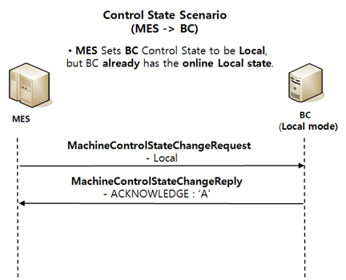
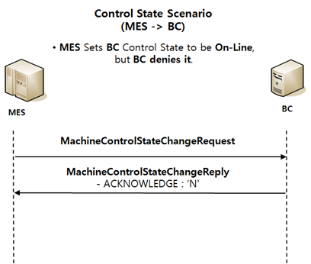
Go To List
 | Control State Scenario (MES -> BC)

1. MES Set BC Control State to be On-Line |  | 2. MES Set BC Control State to be Off-Line
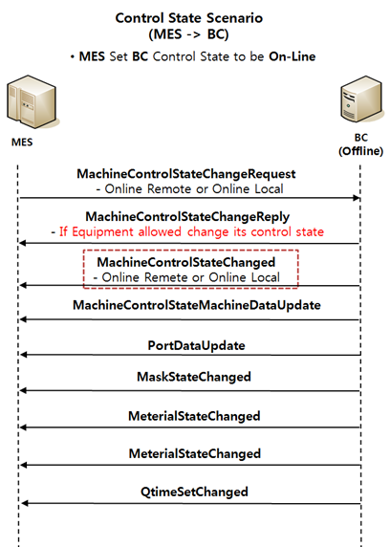
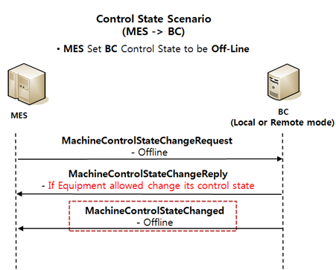

3. MES Sets BC Control State to be Remote mode from Local |  | 4. MES Sets BC Control State to be Local mode from Remote | 5. MES Sets BC Control State to be Remote, but BC already has the online Remote state.
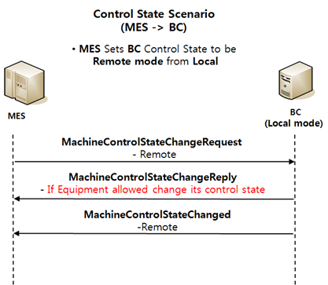
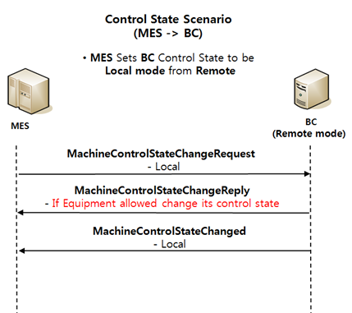
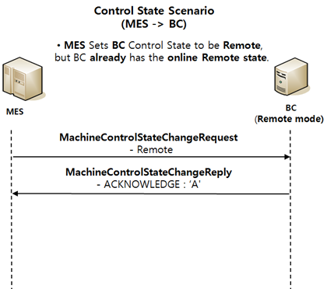

6. MES Sets BC Control State to be Local, but BC already has the online Local state. |  | 7. MES Sets BC Control State to be On-Line, but BC denies it.

ControlStateScenario(BC->MES)
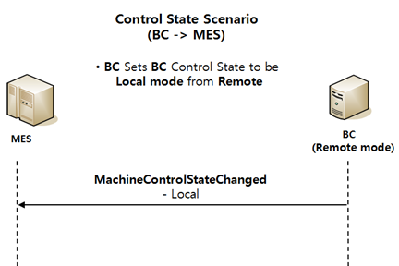
Go To List
 | Control State Scenario (BC -> MES)

1. BC Sets BC Control State to be Off-Line. |  | 2. BC Sets BC Control State to be Remote mode from Local | 3. BC Sets BC Control State to be Local mode from Remote

MachineDataUpdate
Go To List | Message Spec
 |  |  |  |  | Machine (Main)
Message |  |  |  |  | Name | By | When | API | MACHINENAME | FACTORYNAME | AREANAME | SUPERMACHINENAME | MACHINEGROUPNAME | PROCESSCOUNT | RESOURCESTATE | E10STATE | COMMUNICATIONSTATE | MACHINESTATENAME | MACHINEEVENTNAME | LASTEVENTNAME | LASTEVENTTIMEKEY | LASTEVENTTIME | LASTEVENTUSER | LASTEVENTCOMMENT | LASTEVENTFLAG | REASONCODETYPE | REASONCODE | MACHINEHOLDSTATE | SAMPLECOUNT | TOTALCAPACITY | USEDSHELFCOUNT | EMPTYSHELFCOUNT | LIFTMODE | LINEOPERMODE | BLOCKEDEMPTYSHELFCOUNT | MACHINERECIPENAME | CSTOPERMODE | QTAPTYPE | QTAPFLAG | INDEXEROPERMODE | CHANGER | LATESTOWNERID | OPITRANSFERPIORITY | DSPTRANSFERPIORITY | ZONEALARMSTATE | NEEDALARM | SRCOPITRANSFERPIORITY | SRCDSPTRANSFERPIORITY | INSPECTIONMODE | QHVAFLAG | ALARMCODE | ALARMTEXT | ALARMTIMESTAMP | LINKEDMACHINENAME | SHORTCUTFLAG | MAXQUANTITY | MIXEDCHAMBERFLAG | CONTROLSITE | MACHINEENABLE | SHAREDFLAG | SHAREDFACTORYNAME | REASONCODEGROUP | SAMPLINGSTARTFLAG | BCPRODUCTGROUPNAME | SETTINGFLAG | OPERATOR | LINKPROCESSRESULT | SAMPLERATIO | OVERRESULT | FACILITYCHECKRESULT | FACILITYCHECKCOMMENT | LOGINUSERID | LASTCHANGESTATETIME | LASTIDLETIME | IP
MachineDataUpdate | Complete | <MESSAGE> <HEADER> <MESSAGENAME>MachineDataUpdate</MESSAGENAME> <TRANSACTIONID>20161014115007720</TRANSACTIONID> <REPLYSUBJECTNAME>WHCSOT.G6C.BC.LYL.MES.Listen.TCELA300</REPLYSUBJECTNAME> <INBOXNAME /> <LISTENER>PEMListener</LISTENER> </HEADER> <BODY> <LINENAME>TCELA300</LINENAME> <LINESTATENAME>DOWN</LINESTATENAME> <MATERIALCHANGEFLAG>N</MATERIALCHANGEFLAG> <LINEOPERMODE>SORTER</LINEOPERMODE> <PARTIALFULLMODE>NORMAL</PARTIALFULLMODE> <CSTOPERMODE>LTOL</CSTOPERMODE> <CFSHORTCUTMODE>ENABLE</CFSHORTCUTMODE> <MACHINELIST> <MACHINE> <MACHINENAME>TCELA30B</MACHINENAME> <MACHINESTATENAME>DOWN</MACHINESTATENAME> <MATERIALCHANGEFLAG>N</MATERIALCHANGEFLAG> <ALARMCODE /> <ALARMTEXT /> <ALARMTIMESTAMP /> <LINEOPERMODE /> <BCSERIALNO>L8</BCSERIALNO> <BCRECIPEIDLENGTH>4</BCRECIPEIDLENGTH> <UNITLIST> <UNIT> <UNITNAME>TCELA311</UNITNAME> <UNITSTATENAME>DOWN</UNITSTATENAME> <MATERIALCHANGEFLAG>N</MATERIALCHANGEFLAG> <ALARMCODE /> <ALARMTEXT /> <ALARMTIMESTAMP /> <CHAMBERRUNMODE /> <LINEOPERMODE /> </UNIT> <UNIT> <UNITNAME>TCELA30R</UNITNAME> <UNITSTATENAME>DOWN</UNITSTATENAME> <MATERIALCHANGEFLAG>N</MATERIALCHANGEFLAG> <ALARMCODE /> <ALARMTEXT /> <ALARMTIMESTAMP /> <CHAMBERRUNMODE /> <LINEOPERMODE /> |  |  |  |  |  |  | TCELA300 | ARRAY | TCSTK100 |  | ELAGROUP | 0 | InService | Productive | OnLineRemote | RUN |  | MachineModeUpdate | 20180424174735263000 | 04/24/2018 | TCELA300:PEXsvr1 |  | N |  |  | NotOnHold |  |  |  |  |  | NORMAL |  |  | CTOC |  |  |  | A |  |  |  |  |  |  |  |  |  |  |  |  |  | N | 0 |  | T3 |  |  |  |  |  |  |  |  |  |  |  |  |  |  | 04/24/2018 | 08/15/2017
MachineChangeState (To CFMsvr) | Complete | <MESSAGE> <HEADER> <MESSAGENAME>MachineChangeState</MESSAGENAME> <TRANSACTIONID>20180424180915000023</TRANSACTIONID> <REPLYSUBJECTNAME /> </HEADER> <BODY> <MACHINESTATENAME>DOWN</MACHINESTATENAME> <REASONCODETYPE /> <REASONCODE /> <EVENTUSER>TCELA300</EVENTUSER> <EVENTCOMMENT /> <ALARMCODE /> <ALARMTIMESTAMP /> <MACHINELIST> <MACHINE> <MACHINENAME>TCELA30R</MACHINENAME> </MACHINE> </MACHINELIST> </BODY> <RETURN> <RETURNCODE>0</RETURNCODE> <RETURNMESSAGE /> </RETURN> </MESSAGE> | State가 바뀐 Machine에 대한 메시지를 다 보내줌 |  | MachineDataUpdate |  |  | makeMachineStateByState() | TCELA300 | ARRAY | TCSTK100 |  | ELAGROUP | 0 | OutOfService | UnscheduledDown | OnLineRemote | W_ENG |  | MachineModeUpdate | 20180424180914917000 | 04/24/2018 | TCELA300:PEXsvr1 |  | N |  |  | NotOnHold |  |  |  |  |  | SORTER |  |  | LTOL |  |  |  | A |  |  |  |  |  |  |  |  |  |  |  |  |  | Y | 0 |  | T3 |  |  |  |  |  |  |  |  |  |  |  |  |  |  | 04/24/2018 | 08/15/2017
MachineChangeState (To OEE) | Complete | <MESSAGE> <HEADER> <MESSAGENAME>MachineChangeState</MESSAGENAME> <TRANSACTIONID>20180424180915000023</TRANSACTIONID> <REPLYSUBJECTNAME /> </HEADER> <BODY> <MACHINESTATENAME>DOWN</MACHINESTATENAME> <REASONCODETYPE /> <REASONCODE /> <EVENTUSER>TCELA300</EVENTUSER> <EVENTCOMMENT /> <ALARMCODE /> <ALARMTIMESTAMP /> <MACHINELIST> <MACHINE> <MACHINENAME>TCELA30R</MACHINENAME> </MACHINE> </MACHINELIST> <CROSSLINEFLAG /> <TIMESTAMP>2018-04-24 18:09:15.027</TIMESTAMP> </BODY> <RETURN> <RETURNCODE>0</RETURNCODE> <RETURNMESSAGE /> </RETURN> </MESSAGE>
 |  |  |  |  | Machine (Unit)
 |  |  |  |  | Name | By | When | API | MACHINENAME | FACTORYNAME | AREANAME | SUPERMACHINENAME | MACHINEGROUPNAME | PROCESSCOUNT | RESOURCESTATE | E10STATE | COMMUNICATIONSTATE | MACHINESTATENAME | MACHINEEVENTNAME | LASTEVENTNAME | LASTEVENTTIMEKEY | LASTEVENTTIME | LASTEVENTUSER | LASTEVENTCOMMENT | LASTEVENTFLAG | REASONCODETYPE | REASONCODE | MACHINEHOLDSTATE | SAMPLECOUNT | TOTALCAPACITY | USEDSHELFCOUNT | EMPTYSHELFCOUNT | LIFTMODE | LINEOPERMODE | BLOCKEDEMPTYSHELFCOUNT | MACHINERECIPENAME | CSTOPERMODE | QTAPTYPE | QTAPFLAG | INDEXEROPERMODE | CHANGER | LATESTOWNERID | OPITRANSFERPIORITY | DSPTRANSFERPIORITY | ZONEALARMSTATE | NEEDALARM | SRCOPITRANSFERPIORITY | SRCDSPTRANSFERPIORITY | INSPECTIONMODE | QHVAFLAG | ALARMCODE | ALARMTEXT | ALARMTIMESTAMP | LINKEDMACHINENAME | SHORTCUTFLAG | MAXQUANTITY | MIXEDCHAMBERFLAG | CONTROLSITE | MACHINEENABLE | SHAREDFLAG | SHAREDFACTORYNAME | REASONCODEGROUP | SAMPLINGSTARTFLAG | BCPRODUCTGROUPNAME | SETTINGFLAG | OPERATOR | LINKPROCESSRESULT | SAMPLERATIO | OVERRESULT | FACILITYCHECKRESULT | FACILITYCHECKCOMMENT | LOGINUSERID | LASTCHANGESTATETIME | LASTIDLETIME | IP
 |  |  |  |  |  |  |  |  | TCELA30B | ARRAY | TCSTK100 | TCELA300 |  | 0 | InService | Productive | OnLineRemote | RUN | W_ENG-RUN | MachineDataUpdate | 20180424174733546000 | 04/24/2018 | TCELA30B:PEXsvr1 |  | N |  |  | NotOnHold |  |  |  |  |  |  |  |  | CTOC |  |  |  | A |  |  |  |  |  |  |  |  | N |  |  |  |  |  | 0 |  | T3 |  |  |  |  |  |  |  |  |  |  |  |  |  |  | 04/24/2018
 |  |  |  |  | MachineDataUpdate |  |  | makeMachineStateByState | TCELA30B | ARRAY | TCSTK100 | TCELA300 |  | 0 | OutOfService | UnscheduledDown | OnLineRemote | W_ENG | RUN-W_ENG | MachineDataUpdate | 20180424180913311000 | 04/24/2018 | TCELA30B:PEXsvr1 |  | N |  |  | NotOnHold |  |  |  |  |  |  |  |  | LTOL |  |  |  | A |  |  |  |  |  |  |  |  | N |  |  |  |  |  | 0 |  | T3 |  |  |  |  |  |  |  |  |  |  |  |  |  |  | 04/24/2018

 |  |  |  |  | Machine (SubUnit)
 |  |  |  |  | Name | By | When | API | MACHINENAME | FACTORYNAME | AREANAME | SUPERMACHINENAME | MACHINEGROUPNAME | PROCESSCOUNT | RESOURCESTATE | E10STATE | COMMUNICATIONSTATE | MACHINESTATENAME | MACHINEEVENTNAME | LASTEVENTNAME | LASTEVENTTIMEKEY | LASTEVENTTIME | LASTEVENTUSER | LASTEVENTCOMMENT | LASTEVENTFLAG | REASONCODETYPE | REASONCODE | MACHINEHOLDSTATE | SAMPLECOUNT | TOTALCAPACITY | USEDSHELFCOUNT | EMPTYSHELFCOUNT | LIFTMODE | LINEOPERMODE | BLOCKEDEMPTYSHELFCOUNT | MACHINERECIPENAME | CSTOPERMODE | QTAPTYPE | QTAPFLAG | INDEXEROPERMODE | CHANGER | LATESTOWNERID | OPITRANSFERPIORITY | DSPTRANSFERPIORITY | ZONEALARMSTATE | NEEDALARM | SRCOPITRANSFERPIORITY | SRCDSPTRANSFERPIORITY | INSPECTIONMODE | QHVAFLAG | ALARMCODE | ALARMTEXT | ALARMTIMESTAMP | LINKEDMACHINENAME | SHORTCUTFLAG | MAXQUANTITY | MIXEDCHAMBERFLAG | CONTROLSITE | MACHINEENABLE | SHAREDFLAG | SHAREDFACTORYNAME | REASONCODEGROUP | SAMPLINGSTARTFLAG | BCPRODUCTGROUPNAME | SETTINGFLAG | OPERATOR | LINKPROCESSRESULT | SAMPLERATIO | OVERRESULT | FACILITYCHECKRESULT | FACILITYCHECKCOMMENT | LOGINUSERID | LASTCHANGESTATETIME | LASTIDLETIME | IP
 |  |  |  |  |  |  |  |  | TCELA311 | ARRAY | TCSTK100 | TCELA30B |  | 0 | OutOfService | UnscheduledDown | OnLineRemote | W_ENG | RUN-W_ENG | MachineDataUpdate | 20180424173559879000 | 04/24/2018 | TCELA311:PEXsvr1 |  | N |  |  | NotOnHold |  |  |  |  |  |  |  |  | CTOC |  |  |  | A |  |  |  |  |  |  |  |  | N |  |  |  |  |  | 0 |  | T3 |  |  |  |  |  |  |  |  |  |  |  |  |  |  | 04/24/2018
 |  |  |  |  | MachineDataUpdate |  |  | makeMachineStateByState | TCELA311 | ARRAY | TCSTK100 | TCELA30B |  | 0 | OutOfService | UnscheduledDown | OnLineRemote | W_ENG | RUN-W_ENG | MachineDataUpdate | 20180424180912637000 | 04/24/2018 | TCELA311:PEXsvr1 |  | N |  |  | NotOnHold |  |  |  |  |  |  |  |  | LTOL |  |  |  | A |  |  |  |  |  |  |  |  | N |  |  |  |  |  | 0 |  | T3 |  |  |  |  |  |  |  |  |  |  |  |  |  |  | 04/24/2018

 |  |  |  |  | MachineSpec(Unit)
 |  |  |  |  | Name | By | When | API | MACHINENAME | MACHINETYPE | DETAILMACHINETYPE | DESCRIPTION | FACTORYNAME | AREANAME | SUPERMACHINENAME | MACHINEGROUPNAME | VENDOR | MODEL | SERIALNO | PROCESSUNIT | PROCESSCAPACITY | PROCESSGROUPSIZEMIN | PROCESSGROUPSIZEMAX | DEFAULTRECIPENAMESPACENAME | MACHINESTATEMODELNAME | HIGHWATERMARK | LOWWATERMARK | RECIPEPARAVALIDATIONFLAG | PEXMACHINEGROUP | DSPMACHINEGROUP | SHAREDSTOCKER | SORTEDLOTLIST | DESIGNEDTOTALCAPACITY | CHECKSPCMAINMACHINE | PRMETALBLOCK | PRMETALSETCLEAR | STATUSTYPE | STATUSRULE | DOWNSTATUSRULE | RUNSTATUSRULE | UVVALIDATIONFLAG | CARRIERSETTINGCODE | GLASSQTYLIMIT | DMVALIDATIONFLAG | ALARMREMAINSHELFQTY | TRANSFERCOUNTLIMIT | TRANSFERGROUP | SEMIAUTOFLAG | MULTIS2SFLAG | REALMACHINE | RECIPEIDLENGTH | BCRECIPEIDLENGTH | BCSERIALNO | SHARESITESTOCKER | CURRENTSITE | RCPISFROMRCPNAME | RCPFROMVALUE | MAXIDLETIME | GLASSTURNFLAGCHECK | DOUBLERUNCHECKFLAG | CHAMBERRUNMODEFLAG | BNMACHINE | REDWATERMARK | GREENWATERMARK
 |  |  |  |  |  |  |  |  | TCELA30B | ProductionResource | UNIT | LD/ULD | ARRAY | TCSTK100 | TCELA300 |  |  |  | L2 |  | 0 | 0 | 0 |  | MSTATE |  |  |  |  | TCELA |  |  |  |  |  |  |  |  |  |  |  |  | 0 | 0 | 0 | 10 |  |  |  |  | 2 | 2 | L2 |  | T3
 |  |  |  |  | MachineDataUpdate |  |  |  | TCELA30B | ProductionResource | UNIT | LD/ULD | ARRAY | TCSTK100 | TCELA300 |  |  |  | L2 |  | 0 | 0 | 0 |  | MSTATE |  |  |  |  | TCELA |  |  |  |  |  |  |  |  |  |  |  |  | 0 | 0 | 0 | 10 |  |  |  |  | 2 | 4 | L8 |  | T3

BPEL | MachineDataUpdate
Seq |  | Validation | Return Value | State Update (Unit, Machine, Line)
1 Switch | case | Message.materialChangeFlag = 'Y'이고 Message.lineStateName != 'DOWN'이 아닐 경우
 | Experssion | Xml.Data - MESSAGE/BODY/LINESTATENAME에 'CHMT' 추가, 변수 lineStateName <- 'CHMT'
2 | setNamedValueSequence() | Machine 테이블의 ExtendedC 데이터 Setting
3 | Experssion | getSubMachineInfo (Message의 MachineList) | machineName machineStateName unitList unitListElement bcRecipeIDLength bcSerialNo lineOperModeMachine | Unit State Update (DB.SubUnitMachine)
4 Switch | case | Message.materialChangeFlag = 'Y'이고 Message.machineStateName != 'DOWN'이 아닐 경우
 | Experssion | machineElement.MACHINESTATENAME = 'CHMT' 으로 Setnode Text
5 | Expression | getUnitMachineInfo(Messge의 UnitList) 한 후 getMachineData() | currentMachineData
6 Switch | case | Message.Unit.lineOperModeUnit = Null일 경우
 | Expression | 변수 lineOperModeUnit <- currentMachineData.LINEOPERMODE 해준 후 lineOperModeUnit 값을 UdfsData.LINEOPERMODE에 Setting
7 | setEvent() | udfs Data Change
8 Switch | case | Message.Unit.unitName != "" 이고, currentMachineData.machineStateName != Message.unitStateName 일 경우 (DB.unitState와 Message.unitState가 다를 때)
9 | Assign | 변수 oldStateName <- currentMachineData.machineStateName
10 | changeMachineState() | Message.unitStateName을 ConstantMap에서 매칭되는 데이터 값으로 Return - unitStateName = IDLE 일 경우 Return getConstantMapExtends().Mac_Idle(->IDLE) - unitStateName = RUN 일 경우 Return getConstantMapExtends().Mac_Run(->RUN) - unitStateName = DOWN 일 경우 Return getConstantMapExtends().Mac_ENG(->W_ENG) - unitStateName = CHMT 일 경우 Return getConstantMapExtends().Mac_CHMT(->CHMT) - unitStateName = W_CST 일 경우 Return getConstantMapExtends().Mac_WCST(->W_CST) - else Return Null | unitStateName
11 | CheckABMAndMKM.bpel Start(SubUnitMachine)
12 | checkABM() | ▶ isMachineUser - MainMachine이 존재할 경우 True, 아니면 False ▶ stateModelEvent 테이블의 Key 값을 구함 - EventName (ex-IDLE-RUN) - StateModelName (ex-MSTATE) ▶ abmValue = "B" 하드코딩 (Both) - If 해당 Key 값으로 조회한 ABM Column 데이터가 null or empty일 경우 abmValue='B' - Else abmValue <- ABM Column Data (A,B,M,Null) ▶ abmValue = "B"일 경우 - Return True ▶ abmValue = "M"인 경우 - isMachineUser = True면 Return False, False면 Return True ▶ abmValue = 'A'인 경우 - isMachineUser = True면 Return True, False면 Return False ▶ 이 외의 경우 Return False | isMachineUpdate
13 Switch | case | isMachineUpdate = True
14 | checkMKM() | ▶ isMachineUser - MainMachine이 존재할 경우 True, 아니면 False ▶ isMachineUser != True 면 Return True ( is OPI?) ▶ machine 테이블의 CHANGER Column 데이터가 null or empty or "A"면 Return True ▶stateModelState 테이블의 Key 값을 구함 - StateName (ex-IDLE) - StateModelName (ex-MSTATE) ▶stateModelState 테이블의 MKM Column 데이터 (Y,N,Null)가 null or empty or "N"일 경우 Return True ▶ 이 외의 경우 Return False | isMachineUpdate
15 Switch | case | isMachineUpdate = True
 | getWhoIsUser() | ▶ isMachineUser - MainMachine이 존재할 경우 True, 아니면 False - isMachineUser = True면 Return "A" - isMachineUser = False면 Return "M" | userCode
16 | Reply | "userCode"를 MachineDataUpdate.bpel에 Reply
17 | CheckABMAndMKM.bpel End
18 | MachineDataUpdate.bpel Start
19 Switch | case | userCode 값이 존재하는 경우 udfs Data Setting - udfs.CHANGER <- userCode - unitElement.STATEUPDATEFLAG <- "Y" - udfs.ALARMCODE <- Message.alramCode - udfs.ALARMTEXT <- Message.alramText - udfs.ALARMTIMESTAMP <- Message.alramTimeStamp - udfs.LINEOPERMODE <- lineOperModeUnit
 | makeMachineStateByState() | MachineState, udfs data Change
20 | getMachineData() | MachineData (Message.Machine) Get | currentMachineData | MachineStateUpdate
21 Switch | case | lineOperModeMachine(seq 3) = null일 경우
22 | Expression | 변수 lineOperModeMachine <- currentMachineData.LINEOPERMODE 해준 후 lineOperModeMachine 값을 UdfsData.LINEOPERMODE에 Setting
23 | setEvent() | udfs Data Change
24 Switch | case | Message.Machine.MachineName != "" 이고, currentMachineData.machineStateName != Message.MachineStateName 일 경우 (DB.unitState와 Message.unitState가 다를 때)
25 | Assign | 변수 oldStateName <- currentMachineData.machineStateName
26 | changeMachineState() | Seq 10과 동일 | machineStateName
27 | CheckABMAndMKM.bpel Start, End (Seq 10~16과 동일) |  | userCode
28 Switch | case | userCode 값이 존재하는 경우 Variable, udfs Data Setting - alarmCode <- machineElement.ALARMCODE / udfs.ALARMCODE <- alarmCode - alarmText <- machineElement.ALARMTEST / udfs.ALARMTEXT <- alarmText - alarmTimeStamp <- machineElement.ALARMTIMESTAMP / udfs.ALARMTIMESTAMP <- alarmTimeStamp - udfs.CHANGER <- userCode - udfs.LINEOPERMODE <- lineOperModeMachine - machineElement.STATEUPDATEFLAG <- "Y" - bcSerialNo <- machineElement.BCSERIALNO - bcRecipeIDLength <- machineElement.BCRECIPEIDLENGTH
29 | makeMachineStateByState() | MachineState, udfs data Change
30 | getMachineSpecData() |  | machineSpecData | MachineSpecUpdate
31 Switch | case | machineSpecData.BCSERIALNO = bcSerialNo and machineSpecData.BCRECIPEIDLENGTH = bcRecipeIDLength 일 경우 End
 | otherwise | setMachineSpecBCSerialByLength()
 | setMachineSpecBCSerialByLength() | 해당 MachineSpec의 BCSERIALNO, BCRECIPEIDLENGTH Update
 | SendMail() | MailType이 존재하면 CT_MAILLIST에 Data Insert
32 | getMachineSpecData() | LineMachine의 MachineSpec을 Get | lineMachineSpecData | LineStateUpdate
33 Switch | case | lineMachineSpecData.STATUSTYPE = "S"인 경우 (Issue 참고)
34 | makeEquipmentStatusbyRule() | 해당 MachineSpec의 STATUSRULE로 MachineState 결정 - oldMachineState: Machine의 현재 State - statusType: MachineSpec의 statusType - DownStatusStandardTypeByUnit: MachineSpec의 DOWNSTATUSRULE (ex-LineMachineName TCELA300의 DOWNSTATUSRULE: TCELA30B|(TCELA320|TCELA330)|TCEHF310 ) - RunStatusStandardTypeByUnit: MachineSpec의 RUNSTATUSRULE (ex-TCELA320|TCELA330|TCEHF310) - DownRundownStatus, RunRundownStatus: DOWN(RUN)STATUSRULE의 Machine들을 State로 Convert (ex-UNIT1|(UNIT2&UNIT3)&UNIT4 => RUN|(DOWN&RUN)&MAINT) ▶If RuleType = MSTATE_IS_DOWN (hard Coding, because of Resource State) - CT_EQSTATUSFORMULA 테이블에서 RuleType으로 STATEMODELNAME을 조회하여 해당 정보로 계산한 후 최종 MachineState Get getEquipmentStatusbyRuleCalculate() : CT_EQSTATUSFORMULA 테이블에서 RuleType = MSTATE_IS_DOWN 인 모든 데 이터를 조회한 후 rulsMap에 Put (ex- RUN|DOWN=DOWN) calculateExpression() : Rule에 의한 연산을 마친 후 Return resultStatus (ex - DOWN) API 사용해서 데이터 업데이트 ▶Else RuleType = MSTATE_IS_RUN (hard Coding, because of Resource State) // 이 부분이랑 BNMachine 이 부분 추가
35 | otherwise
36 | getMachineData() | LineMachine Data Get | currentMachineData
37 | Assign | oldStateName <- currentMachineData.machineStateName
38 | changeMachineState() | Seq 10과 동일 | lineStateName
39 Switch | case | currentMachineData.factoryName = 'ARRAY' and lineStateName = 'IDLE' 일 경우
 | updateIdleTime() | LastIdleTime Update
40 Switch | case | lineStateName = 'RUN'일 경우
 | Expression | ownerID <- currentMachineData.LATESTOWNERID
 | findOwnerType() | ENUMDEFVALUE 테이블에서 해당 ownerID, ENUMNAME LIKE 'Owner%'인 데이터 검색 - 조회 결과 1개 초과일 경우 Exception - 1개 일경우 해당 데이터 Return - 이 외의 경우 Return Null | ownerType
 | getDistinguishedRunState() | ownerType과 ConstantMap에서 매칭되는 데이터 Return ▶OwnerE (ProductOwner_Engineering)일 경우 Return getConstantMapExtends().Mac_EngRun (->E_run) ▶OwnerM 일 경우 (ProductOwner_MQC)일 경우 Return getConstantMapExtends().Mac_MQCRun (->MQC_dummy) ▶이 외의 경우 Return etConstantMapExtends().Mac_Run (->RUN) | lineStateName
41 | CheckABMAndMKM.bpel Start, End (Seq 10~16과 동일) |  | userCode
42 Switch | case | userCode 값이 존재하는 경우 udfs Data Setting - udfs.CHANGER <- userCode
 | makeMachineStateByState() | MachineState, udfs data Change
 | otherwise | userCode 값이 존재하지 않는 경우 udfs.CHANGER <- ""
 | setEvent() | udfs Data Change
43 | getMachineData() | update된 해당 Machine Data Get | currentLineMachineData
44 Switch | case 44.1 | Message.cfShortCutMode = ENABLE 일 경우 shotCutFlag <- 'Y' Setting
 | case 44.2 | Message.cfShortCutMode = DISABLE 일 경우 shotCutFlag <- 'N' Setting
45 Switch | case | currentLineMachineData.LINEOPERMODE != Message.lineOperMode and Message.lineOperMode != "" 이거나 currentLineMachineData.SHORTCUTFLAG != Message.shortCutFlag 일 경우
 | Expression | lineUdfs.LINEOPERMODE <- Message.lineOperMode lineUdfs.SHORTCUTFLAG <- Message.shortCutFlag
 | setEvent() | udfs Data Change

Issue
Seq |  | Validation
1 |  | Messge.Line - > MainMachine, Message.Machine -> UnitMachine, Message.Unit -> SubUnitMachine
2 |  | CheckABM -> A: Auto, B: Both, M: Manual
3 |  | MACHINESTATEMODEL-MKM 의미 (?) -자동화에서 예외가 있는 경우(MKM을 확인해서 True면 통과)
 |  | 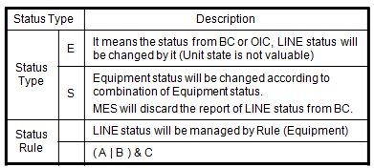 LINE Status (MachineSpec) - LINE status should be updated using combination of sub-Machine status - LINE Statue Type

MachineModeChangeRequest
Go To List | Message Spec

Message |  |  |  | Machine (Main)
MachineModeChangeRequest | Complete | <MESSAGE> <HEADER> <MESSAGENAME>MachineModeChangeRequest</MESSAGENAME> <TRANSACTIONID>20150126191032726</TRANSACTIONID> <REPLYSUBJECTNAME>JJH</REPLYSUBJECTNAME> <INBOXNAME /> <LISTENER>PEMListener</LISTENER> </HEADER> <BODY> <LINENAME>TCELA300</LINENAME> <LINEOPERMODE>RE-CLEAN</LINEOPERMODE> <MACHINELIST> <MACHINE> <MACHINENAME>TCELA30B</MACHINENAME> <LINEOPERMODE /> <UNITLIST> <UNIT> <UNITNAME>TCELA311</UNITNAME> <LINEOPERMODE /> </UNIT> </UNITLIST> </MACHINE> </MACHINELIST> <TIMESTAMP>2015-07-17 10:00:32.760</TIMESTAMP> <TRANSACTIONSTARTTIME>2018-04-25 14:05:59.186</TRANSACTIONSTARTTIME> </BODY> <RETURN> <RETURNCODE>0</RETURNCODE> <RETURNMESSAGE /> </RETURN> </MESSAGE> |  | Name | By | When | API | MACHINENAME | FACTORYNAME | AREANAME | SUPERMACHINENAME | MACHINEGROUPNAME | PROCESSCOUNT | RESOURCESTATE | E10STATE | COMMUNICATIONSTATE | MACHINESTATENAME | MACHINEEVENTNAME | LASTEVENTNAME | LASTEVENTTIMEKEY | LASTEVENTTIME | LASTEVENTUSER | LASTEVENTCOMMENT | LASTEVENTFLAG | REASONCODETYPE | REASONCODE | MACHINEHOLDSTATE | SAMPLECOUNT | TOTALCAPACITY | USEDSHELFCOUNT | EMPTYSHELFCOUNT | LIFTMODE | LINEOPERMODE | BLOCKEDEMPTYSHELFCOUNT | MACHINERECIPENAME | CSTOPERMODE | QTAPTYPE | QTAPFLAG | INDEXEROPERMODE | CHANGER | LATESTOWNERID | OPITRANSFERPIORITY | DSPTRANSFERPIORITY | ZONEALARMSTATE | NEEDALARM | SRCOPITRANSFERPIORITY | SRCDSPTRANSFERPIORITY | INSPECTIONMODE | QHVAFLAG | ALARMCODE | ALARMTEXT | ALARMTIMESTAMP | LINKEDMACHINENAME | SHORTCUTFLAG | MAXQUANTITY | MIXEDCHAMBERFLAG | CONTROLSITE | MACHINEENABLE | SHAREDFLAG | SHAREDFACTORYNAME | REASONCODEGROUP | SAMPLINGSTARTFLAG | BCPRODUCTGROUPNAME | SETTINGFLAG | OPERATOR | LINKPROCESSRESULT | SAMPLERATIO | OVERRESULT | FACILITYCHECKRESULT | FACILITYCHECKCOMMENT | LOGINUSERID | LASTCHANGESTATETIME | LASTIDLETIME | IP
MachineModeChanged (To OEE) | Complete | <MESSAGE> <HEADER> <MESSAGENAME>MachineModeChanged</MESSAGENAME> <TRANSACTIONID>20150126191032726</TRANSACTIONID> <REPLYSUBJECTNAME>JJH</REPLYSUBJECTNAME> <INBOXNAME /> <LISTENER>LOCALListener</LISTENER> </HEADER> <BODY> <LINENAME>TCELA300</LINENAME> <LINEOPERMODE>RE-CLEAN</LINEOPERMODE> <MACHINELIST> <MACHINE> <MACHINENAME>TCELA30B</MACHINENAME> <LINEOPERMODE /> <UNITLIST> <UNIT> <UNITNAME>TCELA311</UNITNAME> <LINEOPERMODE /> </UNIT> </UNITLIST> </MACHINE> </MACHINELIST> <TIMESTAMP>2015-07-17 10:00:32.760</TIMESTAMP> <TRANSACTIONSTARTTIME>2018-04-25 14:05:59.186</TRANSACTIONSTARTTIME> <TRANSACTIONSTARTTIME2>2018-04-25 14:05:59.256</TRANSACTIONSTARTTIME2> <VALIRESULT>Y</VALIRESULT> </BODY> <RETURN> <RETURNCODE>0</RETURNCODE> <RETURNMESSAGE /> </RETURN> </MESSAGE> |  |  |  |  |  | TCELA300 | ARRAY | TCSTK100 |  | ELAGROUP | 0 | OutOfService | UnscheduledDown | OnLineRemote | W_ENG |  | MachineModeUpdate | 20180424180914917000 | 04/24/2018 | TCELA300:PEXsvr1 |  | N |  |  | NotOnHold |  |  |  |  |  | SORTER |  |  | LTOL |  |  |  | A |  |  |  |  |  |  |  |  |  |  |  |  |  | Y | 0 |  | T3 |  |  |  |  |  |  |  |  |  |  |  |  |  |  | 04/24/2018 | 08/15/2017
MachineModeChangeReply (To BC) | Complete | <MESSAGE> <HEADER> <MESSAGENAME>MachineModeChangeReply</MESSAGENAME> <TRANSACTIONID>20150126191032726</TRANSACTIONID> <REPLYSUBJECTNAME>JJH</REPLYSUBJECTNAME> <INBOXNAME /> <LISTENER>LOCALListener</LISTENER> </HEADER> <BODY> <LINENAME>TCELA300</LINENAME> <LINEOPERMODE>RE-CLEAN</LINEOPERMODE> <MACHINELIST> <MACHINE> <MACHINENAME>TCELA30B</MACHINENAME> <LINEOPERMODE /> <UNITLIST> <UNIT> <UNITNAME>TCELA311</UNITNAME> <LINEOPERMODE /> </UNIT> </UNITLIST> </MACHINE> </MACHINELIST> <TIMESTAMP>2015-07-17 10:00:32.760</TIMESTAMP> <TRANSACTIONSTARTTIME>2018-04-25 14:05:59.186</TRANSACTIONSTARTTIME> <TRANSACTIONSTARTTIME2>2018-04-25 14:05:59.256</TRANSACTIONSTARTTIME2> <VALIRESULT>Y</VALIRESULT> </BODY> <RETURN> <RETURNCODE>0</RETURNCODE> <RETURNMESSAGE /> </RETURN> </MESSAGE> |  | MachineModeChangeRequest |  |  | changeMachineLineOperMode() | TCELA300 | ARRAY | TCSTK100 |  | ELAGROUP | 0 | OutOfService | UnscheduledDown | OnLineRemote | W_ENG |  | MachineModeChangeRequest | 20180425140559390000 | 04/25/2018 | TCELA300:PEXsvr1 |  | N |  |  | NotOnHold |  |  |  |  |  | RE-CLEAN |  |  | LTOL |  |  |  | A |  |  |  |  |  |  |  |  |  |  |  |  |  | Y | 0 |  | T3 |  |  |  |  |  |  |  |  |  |  |  |  |  |  | 04/24/2018 | 08/15/2017

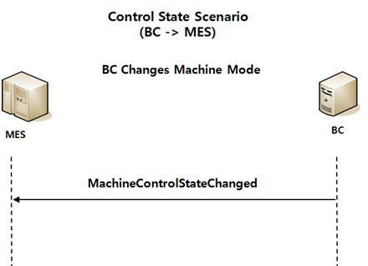
 |  |  |  | Machine (Unit)
 |  |  |  | Name | By | When | API | MACHINENAME | FACTORYNAME | AREANAME | SUPERMACHINENAME | MACHINEGROUPNAME | PROCESSCOUNT | RESOURCESTATE | E10STATE | COMMUNICATIONSTATE | MACHINESTATENAME | MACHINEEVENTNAME | LASTEVENTNAME | LASTEVENTTIMEKEY | LASTEVENTTIME | LASTEVENTUSER | LASTEVENTCOMMENT | LASTEVENTFLAG | REASONCODETYPE | REASONCODE | MACHINEHOLDSTATE | SAMPLECOUNT | TOTALCAPACITY | USEDSHELFCOUNT | EMPTYSHELFCOUNT | LIFTMODE | LINEOPERMODE | BLOCKEDEMPTYSHELFCOUNT | MACHINERECIPENAME | CSTOPERMODE | QTAPTYPE | QTAPFLAG | INDEXEROPERMODE | CHANGER | LATESTOWNERID | OPITRANSFERPIORITY | DSPTRANSFERPIORITY | ZONEALARMSTATE | NEEDALARM | SRCOPITRANSFERPIORITY | SRCDSPTRANSFERPIORITY | INSPECTIONMODE | QHVAFLAG | ALARMCODE | ALARMTEXT | ALARMTIMESTAMP | LINKEDMACHINENAME | SHORTCUTFLAG | MAXQUANTITY | MIXEDCHAMBERFLAG | CONTROLSITE | MACHINEENABLE | SHAREDFLAG | SHAREDFACTORYNAME | REASONCODEGROUP | SAMPLINGSTARTFLAG | BCPRODUCTGROUPNAME | SETTINGFLAG | OPERATOR | LINKPROCESSRESULT | SAMPLERATIO | OVERRESULT | FACILITYCHECKRESULT | FACILITYCHECKCOMMENT | LOGINUSERID | LASTCHANGESTATETIME | LASTIDLETIME | IP
 |  |  |  |  |  |  |  | TCELA30B | ARRAY | TCSTK100 | TCELA300 |  | 0 | OutOfService | UnscheduledDown | OnLineRemote | W_ENG | RUN-W_ENG | MachineLoginReport | 20180425134019156000 | 04/25/2018 | TCELA30B:PEXsvr1 |  | N |  |  | NotOnHold |  |  |  |  |  |  |  |  | LTOL |  |  |  | A |  |  |  |  |  |  |  |  | N |  |  |  |  |  | 0 |  | T3 |  |  |  |  |  |  |  |  |  |  |  |  |  | JJH | 04/24/2018
 |  |  |  | MachineModeChangeRequest |  |  | changeMachineLineOperMode() | TCELA30B | ARRAY | TCSTK100 | TCELA300 |  | 0 | OutOfService | UnscheduledDown | OnLineRemote | W_ENG | RUN-W_ENG | MachineModeChangeRequest | 20180425143218626000 | 04/25/2018 | TCELA300:PEXsvr1 |  | N |  |  | NotOnHold |  |  |  |  |  | RE-CLEAN |  |  | LTOL |  |  |  | A |  |  |  |  |  |  |  |  | N |  |  |  |  |  | 0 |  | T3 |  |  |  |  |  |  |  |  |  |  |  |  |  | JJH | 04/24/2018

 |  |  |  | Machine (SubUnit)
 |  |  |  | Name | By | When | API | MACHINENAME | FACTORYNAME | AREANAME | SUPERMACHINENAME | MACHINEGROUPNAME | PROCESSCOUNT | RESOURCESTATE | E10STATE | COMMUNICATIONSTATE | MACHINESTATENAME | MACHINEEVENTNAME | LASTEVENTNAME | LASTEVENTTIMEKEY | LASTEVENTTIME | LASTEVENTUSER | LASTEVENTCOMMENT | LASTEVENTFLAG | REASONCODETYPE | REASONCODE | MACHINEHOLDSTATE | SAMPLECOUNT | TOTALCAPACITY | USEDSHELFCOUNT | EMPTYSHELFCOUNT | LIFTMODE | LINEOPERMODE | BLOCKEDEMPTYSHELFCOUNT | MACHINERECIPENAME | CSTOPERMODE | QTAPTYPE | QTAPFLAG | INDEXEROPERMODE | CHANGER | LATESTOWNERID | OPITRANSFERPIORITY | DSPTRANSFERPIORITY | ZONEALARMSTATE | NEEDALARM | SRCOPITRANSFERPIORITY | SRCDSPTRANSFERPIORITY | INSPECTIONMODE | QHVAFLAG | ALARMCODE | ALARMTEXT | ALARMTIMESTAMP | LINKEDMACHINENAME | SHORTCUTFLAG | MAXQUANTITY | MIXEDCHAMBERFLAG | CONTROLSITE | MACHINEENABLE | SHAREDFLAG | SHAREDFACTORYNAME | REASONCODEGROUP | SAMPLINGSTARTFLAG | BCPRODUCTGROUPNAME | SETTINGFLAG | OPERATOR | LINKPROCESSRESULT | SAMPLERATIO | OVERRESULT | FACILITYCHECKRESULT | FACILITYCHECKCOMMENT | LOGINUSERID | LASTCHANGESTATETIME | LASTIDLETIME | IP
 |  |  |  |  |  |  |  | TCELA311 | ARRAY | TCSTK100 | TCELA30B |  | 0 | OutOfService | UnscheduledDown | OnLineRemote | W_ENG | RUN-W_ENG | MachineDataUpdate | 20180424182454554000 | 04/24/2018 | TCELA311:PEXsvr1 |  | N |  |  | NotOnHold |  |  |  |  |  |  |  |  | LTOL |  |  |  | A |  |  |  |  |  |  |  |  | N |  |  |  |  |  | 0 |  | T3 |  |  |  |  |  |  |  |  |  |  |  |  |  |  | 04/24/2018
 |  |  |  | MachineModeChangeRequest |  |  | changeMachineLineOperMode() | TCELA311 | ARRAY | TCSTK100 | TCELA30B |  | 0 | OutOfService | UnscheduledDown | OnLineRemote | W_ENG | RUN-W_ENG | MachineModeChangeRequest | 20180425143218626000 | 04/25/2018 | TCELA300:PEXsvr1 |  | N |  |  | NotOnHold |  |  |  |  |  | RE-CLEAN |  |  | LTOL |  |  |  | A |  |  |  |  |  |  |  |  | N |  |  |  |  |  | 0 |  | T3 |  |  |  |  |  |  |  |  |  |  |  |  |  |  | 04/24/2018

BPEL | MachineModeChangeRequest
Seq |  | Validation | Return Value
1 | checkMachineNameChangePlan() | CT_CHANGEPLAN 테이블에서 PLANSTATE='Processing'인 해당 Machine 데이터가 있는지 확인 (해당 Machine이 Plan에 Reserve 되어있는지, Process 중인지 확인) | isVaildChangePlan = True (존재 O) or isVaildChangePlan = False (존재 X)
2 Switch | case | isVaildChangePlan = False 인 경우
 | changeMachineLineOperMode() | Machine(Main, Unit, SubUnit) LINEOPERMODE Change
 | Expression | xml.Body에 VALIRESULT = 'Y' 추가
 | otherwise | xml.Body에 VALIRESULT = 'N' 추가
3 |  | OEE, BC에 Message Send

PortAccessModeChanged
Go To List | Message Spec

Message |  |  |  | Machine
PortAccessModeChanged | Complete | <MESSAGE> <HEADER> <MESSAGENAME>PortAccessModeChanged</MESSAGENAME> <TRANSACTIONID>20150319153942922</TRANSACTIONID> <REPLYSUBJECTNAME>CSOT.G85B.BC.PRD.MES.Listen.FBFIP100</REPLYSUBJECTNAME> <LISTENER>PEMListener</LISTENER> </HEADER> <BODY> <LINENAME>TCELA300</LINENAME> <PORTLIST> <PORT> <PORTNAME>01</PORTNAME> <PORTACCESSMODE>MANUAL</PORTACCESSMODE> </PORT> </PORTLIST> <INDEXEROPERMODE>A</INDEXEROPERMODE> <TRANSACTIONSTARTTIME>2018-04-27 16:22:13.604</TRANSACTIONSTARTTIME> </BODY> <RETURN> <RETURNCODE>0</RETURNCODE> <RETURNMESSAGE /> </RETURN> </MESSAGE> |  | Name | By | When | API | MACHINENAME | PORTNAME | FACTORYNAME | AREANAME | RESOURCESTATE | E10STATE | ACCESSMODE | TRANSFERSTATE | PORTSTATENAME | PORTEVENTNAME | LASTEVENTNAME | LASTEVENTTIMEKEY | LASTEVENTTIME | LASTEVENTUSER | LASTEVENTCOMMENT | LASTEVENTFLAG | REASONCODETYPE | REASONCODE | PORTTYPE | PORTUSETYPE | LOADDSPMODE | UNLOADDSPMODE | PORTOPERMODE | CONNECTEDMACHINENAME | CARRIERNAME | PRODUCTGRADE | MCSRESOURCESTATE | LASTTRANSFERSTATECHANGETIME | PRODUCTNAME | DISTANTCALLQTY | ULDPRODUCTNAME | OPERNAME
PortChangeAccessMode (To CFMsvr) | Complete | <MESSAGE> <HEADER> <MESSAGENAME>PortChangeAccessMode</MESSAGENAME> <TRANSACTIONID>20180427162214000819</TRANSACTIONID> <REPLYSUBJECTNAME /> </HEADER> <BODY> <MACHINENAME>TCELA300</MACHINENAME> <PORTNAME>01</PORTNAME> <PORTACCESSMODE>MANUAL</PORTACCESSMODE> <EVENTUSER>TCELA300</EVENTUSER> <EVENTCOMMENT /> </BODY> <RETURN> <RETURNCODE>0</RETURNCODE> <RETURNMESSAGE /> </RETURN> </MESSAGE> |  |  |  |  |  | TCELA300 | 01 | ARRAY | TCSTK100 | InService | StandBy | AUTO | ReadyToLoad | EMPTY |  | PortStateChanged | 20180125112015696000 | 01/25/2018 | TCSTK100:TEXsvrEDU |  | N |  |  | PB |  |  |  |  |  |  |  | INSERVICE
 |  |  |  | PortAccessModeChanged |  |  | getPortService().makeAccessMode() | TCELA300 | 01 | ARRAY | TCSTK100 | InService | StandBy | MANUAL | ReadyToLoad | EMPTY |  | PortChangeAccessMode | 20180427162214244000 | 04/27/2018 | TCELA300:PEXsvr1 |  | N |  |  | PB |  |  |  |  |  |  |  | INSERVICE

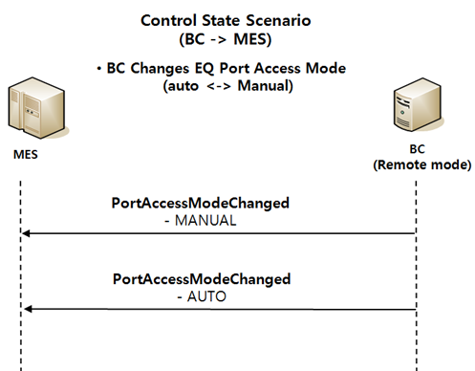

BPEL | PortAccessModeChanged
Seq |  | Validation | Return Value
1 Switch | case | Message.portAccessMode != Null
2 | validatePortAccessMode() | ▶ 설비에서 보고한 PORT ACCESS MODE가 MES에서 허용하는 값이 아닌 경우 업데이트를 하지 않기 위해 비교 - AUTO, MANUAL | isValidAccessMode (True or False)
3 Switch | case 3.1 (otherwise) | isValidAccessMode = False 일 경우 Throw
 | case 3.2 | isValidAccessMode = True 일 경우
 | getPortData() | PortData Get | currentPortData
4 Switch | case | currentPortData.accessMode != Message.portAccessMode 일 경우
5 | makeAccessMode() | Data Change
6 | createPortChangeAccessMode() | CFMsvr에 send할 Message 생성 | xml.CFMMessage
7 | sendBySender | CFMsvr에 Messge Send

Issue
Seq |  | Validation
1 |  | PORTACCESSMODE = [AUTO, MANUAL]
2
3

